Sheet1
Note:- Rename this file with your section name followed by rollno (eg k22AB_01) and upload it on UMS

Employee Table
 | 101 | 102 | 103 | 104 | 105 | 106 | 107 | 108 | 109 | 110
Full Name | John Petra | Kira Jones | Jim Scott | Tom Baker | Alica Tomas | Sarah Cross | Khalid Hafiz | Anzar Hussain | Hashim Zahoor | War Rafeeq
First Name | John | Kira | Jim | Tom | Alica | Sarah | Khalid | Anzar | Hashim | War
Last Name | Petra | Jones | Scott | Baker | Tomas | Cross | Hafiz | Hussain | Zahoor | Rafeeq
Emp Id | 101 | 102 | 103 | 104 | 105 | 106 | 107 | 108 | 109 | 110
Salary | ₹ 10,000.00 | ₹ 15,000.00 | ₹ 10,000.00 | ₹ 20,000.00 | ₹ 10,000.00 | ₹ 15,000.00 | ₹ 25,000.00 | ₹ 18,000.00 | ₹ 10,000.00 | ₹ 15,000.00
Dept Id | 1001 | 1002 | 1003 | 1004 | 1005 | 1006 | 1007 | 1008 | 1009 | 1010

Q1.How you will find and fill the Full Name of employee from First Name and Last Name of the employee Using a Formula? Include a blank space between first name and last name

Q2. How would you automatically look up values? First Name and Salary should appear on H21 and J21, respectively, when searching for Emp Id on D21. Similarly, while searching for a Emp Id on D23, the salary should appear on H23 and the first name should appear on J23.

 |  | 102 |  |  |  | Kira |  | 15000

 |  | 103 |  |  |  | 10000 |  | Jim

Student Table (a) |  |  |  |  |  |  | Student Table (b)

S_NO | NAME | GENDER | CLASS | CATEGORY | FEES |  | S_NO | NAME | GENDER | CLASS | CATEGORY | FEES
1 | Deep | M | FY | Open | 3000 | TRUE | 1 | Deep | M | FY | Open | 3000
2 | Jayesh | M | SY | Reserved | 10000 |  | 2 | Jayesh | M | SY | Reserved | 10000
3 | Yash | M | TY | Reserved | 1000 |  | 3 | Yash | M | TY | Reserved | 1000
4 | Sara | F | FY | Reserved | 7000 |  | 4 | Sara | F | FY | Reserved | 7000
5 | Gita | F | FY | Open | 3000 |  | 5 | Gita | F | FY | Open | 3000
6 | Jinal | F | TY | Open | 5000 |  | 6 | Jinal | F | TY | Open | 5000
7 | Kavita | F | SY | Open | 4000 |  | 7 | Kavita | F | SY | Open | 4000
8 | Minal | F | SY | Reserved | 1000 |  | 8 | Minal | F | SY | Reserved | 1000
9 | Karan | M | TY | Reserved | 1000 |  | 9 | Karan | M | TY | Reserved | 1000
10 | Abhay | M | TY | Open | 5000 |  | 10 | Abhay | M | TY | Open | 5000
11 | Bina | F | FY | Open | 3000 |  | 11 | Bina | F | FY | Open | 3000
12 | Seema | F | FY | Reserved | 7000 |  | 12 | Seema | F | FY | Reserved | 7000
13 | Naresh | M | FY | Reserved | 500 |  | 13 | Naresh | M | FY | Reserved | 500
14 | Rima | F | TY | Open | 5000 |  | 14 | Rima | F | TY | Open | 5000
15 | Gajendra | M | SY | Open | 4000 |  | 15 | Gajendra | M | SY | Open | 4000

Q3. a). Highlight the cells with "green fill with dark green text" from G28 to G42 where the fees is more than 4000. |  |  |  |  |  |  | Q3. b). Highlight the cells with "yellow fill with dark yellow text" from N23 to N42 where the fees is less than 4000.

Scenario : You have a Financial list with Total Amount 5000, Interest Rate 12% Yearly, and Duration 4 Months. How would you automatically calculate below given questions based on this given Data? Create the Financial Table for the given Data and then answer the below given questions

 |  |  |  |  |  |  |  |  |  |  |  | 5000 | 4 | 12

 |  |  |  |  |  |  |  |  |  |  |  | 1
 |  |  |  |  |  |  |  |  |  |  |  | 2
 |  |  |  |  |  |  |  |  |  |  |  | 3
Q4. Determine the monthly PAYMENT REQUIRED to repay the entire amount in G63 to G66 witin the specified time frame INCLUDING INTEREST. |  |  |  |  |  |  |  |  |  |  |  | 4

 |  |  |  |  | ₹ 5,333.33
 |  |  |  |  | ₹ 5,333.33
 |  |  |  |  | ₹ 5,333.33
 |  |  |  |  | ₹ 5,333.33

Q5. Determine the total PAYMENT that we will get, if we will invest the total given amount on given interest rate for given time duration. Calculate using formula?

 |  |  |  |  | ₹ 75,000.00

Q6. ADD A NEW WORKSHEET TO THIS WORK BOOK AND NAME IT WITH YOUR ROOLNO [MANDATORY], CREATE THE SHEET GIVEN BELOW. BASED ON THE SHEET ANSWER THE QUESTIONS AND FILL DATA

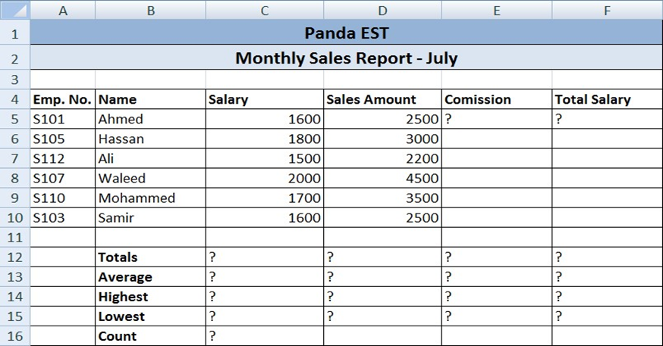
 |  |  |  |  |  |  | 6.1. Enter the formula to find COMMISSION for the first employee. The commission rate is 7% of sales, Copy the formula to the remaining employees.

 |  |  |  |  |  |  | 6.2. Enter the formula to find TOTAL SALARY for the employees?

 |  |  |  |  |  |  | 6.3. Enter formula to find TOTALS, AVERAGE, HIGHEST, LOWEST, and COUNT values.

 |  |  |  |  |  |  | 6.4. Align all column title labels horizontally and vertically at the center. Match the table design with Employee Table.

 |  | Montly Sales Report-July |  |  |  |  |  |  | com
emp no | name | salary | slaesamount | commission | total slaary |  |  |  | 7%
$101 | ahamed | 1600 | 2500 | 175 | ₹ 2,675.00
$105 | hassan | 1800 | 3000 | 210 | ₹ 3,210.00
$112 | ali | 1500 | 2200 | 154 | ₹ 2,354.00
$107 | waleed | 2000 | 4500 | 315 | ₹ 4,815.00
$110 | mohammed | 1700 | 3500 | 245 | ₹ 3,745.00
$103 | samir | 1600 | 2500 | 175 | ₹ 2,675.00

 | total | 10200 | 18200 | 1274 | ₹ 19,474.00
 | avarge | 1700 | 3033.3333333 | 212.33333333 | ₹ 3,245.67
 | highest | 2000 | 4500 | 315 | ₹ 4,815.00
 | lowest | 1500 | 2200 | 154 | ₹ 2,354.00
 | count | 6 | 6 | 6 | 6

